Fig 4b
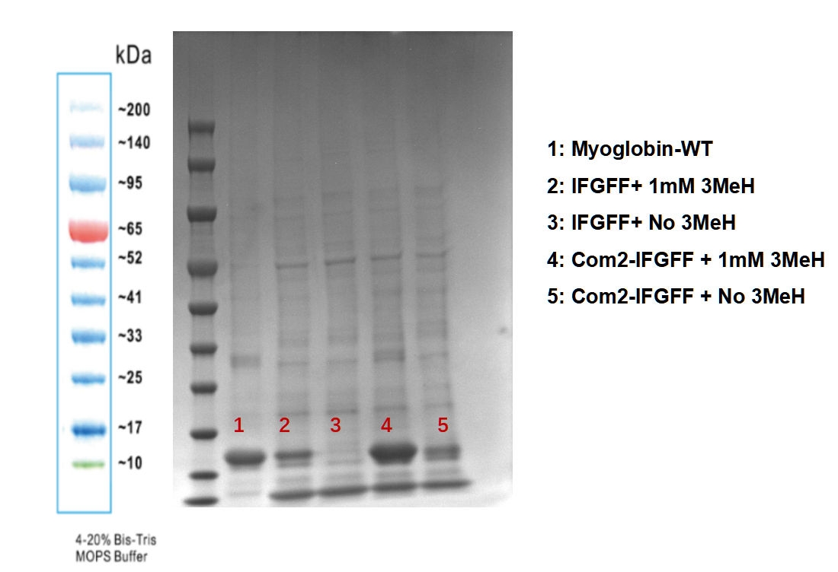
PylRS Variants | Myoglobin Variants | The change of OD value at 470 nm
IFGFF | H93TAG | 0.008 | 0.008 | 0.008 | 0.007
IFGFF- | H93TAG | 0.003 | 0.002 | 0.0025 | 0.002
Com2-IFGFF+ | H93TAG | 0.06 | 0.063 | 0.06 | 0.069
Com2-IFGFF- | H93TAG | 0.007 | 0.009 | 0.007 | 0.009
 | Wild-type Myoglobin | 0.024 | 0.025 | 0.027 | 0.028

Fig 4d
PylRS Variants | sfGFP Variants | Normalized Fluorescence (A.U.)
IFRS | S2TAGx1 | 1837.296 | 2156.407 | 2278.226 | 1960.940
IFRS | S2TAGx2 | 135.126 | 77.667 | 234.359 | 197.380
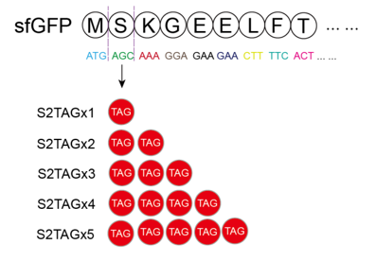
IFRS | S2TAGx3 | 103.613 | 90.359 | 166.401 | 80.100
IFRS | S2TAGx4 | 91.932 | 87.261 | 65.366 | 39.771
IFRS | S2TAGx5 | 90.760 | 76.560 | 37.153 | 49.595
Com1-IFRS | S2TAGx1 | 23046.755 | 19457.755 | 25027.521 | 25747.463
Com1-IFRS | S2TAGx2 | 2203.766 | 2718.744 | 1680.803 | 2111.981
Com1-IFRS | S2TAGx3 | 837.145 | 1679.293 | 891.940 | 636.572
Com1-IFRS | S2TAGx4 | 512.753 | 281.102 | 334.560 | 790.332
Com1-IFRS | S2TAGx5 | 450.120 | 316.757 | 169.529 | 116.833
Com2-IFRS | S2TAGx1 | 58533.909 | 49612.774 | 62383.961 | 56111.707
Com2-IFRS | S2TAGx2 | 22143.549 | 17983.722 | 17195.639 | 21540.425
Com2-IFRS | S2TAGx3 | 13755.593 | 12285.439 | 10100.510 | 7644.468
Com2-IFRS | S2TAGx4 | 8905.320 | 6505.466 | 6153.142 | 4379.612
Com2-IFRS | S2TAGx5 | 3369.937 | 4604.405 | 2916.397 | 2658.916

Fig 4f
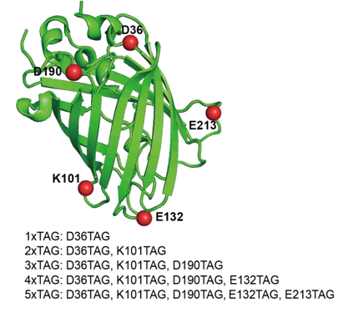
PylRS Variants | sfGFP Variants | Normalized Fluorescence (A.U.)
IFRS | 1xTAG | 7892.474 | 9126.365 | 9891.794 | 8664.273
IFRS | 2xTAG | 2628.413 | 2614.406 | 2830.731 | 2561.967
IFRS | 3xTAG | 362.056 | 259.933 | 485.955 | 244.443
IFRS | 4xTAG | 199.240 | 134.963 | 164.685 | 199.000
IFRS | 5xTAG | 180.394 | 198.338 | 104.219 | 8.944
Com1-IFRS | 1xTAG | 21797.090 | 13683.348 | 14003.407 | 19317.211
Com1-IFRS | 2xTAG | 8686.263 | 11656.151 | 9568.543 | 6263.802
Com1-IFRS | 3xTAG | 3225.496 | 6376.245 | 2705.330 | 5147.632
Com1-IFRS | 4xTAG | 110.473 | 104.704 | 132.404 | 126.722
Com1-IFRS | 5xTAG | 108.757 | 106.534 | 115.830 | 88.670
Com2-IFRS | 1xTAG | 33367.754 | 33288.618 | 37461.213 | 31590.288
Com2-IFRS | 2xTAG | 24711.384 | 23889.887 | 20135.840 | 15646.851
Com2-IFRS | 3xTAG | 10839.989 | 10246.823 | 8796.203 | 6976.746
Com2-IFRS | 4xTAG | 732.379 | 869.520 | 811.371 | 848.574
Com2-IFRS | 5xTAG | 61.889 | 1090.497 | 802.221 | 605.807

Suppl. Figure 15
